Figure 1
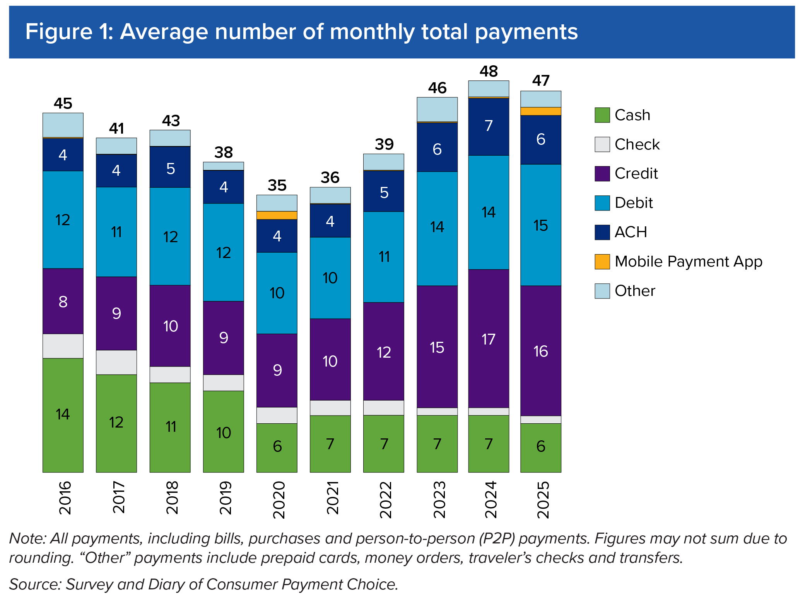
Figure 1: Average number of monthly total payments
Year | Cash | Check | Credit | Debit | ACH | Mobile App | Other | Total
2016 | 14 | 3 | 8 | 12 | 4 | 0.3 | 3 | 45
2017 | 12 | 3 | 9 | 11 | 4 | 0.1 | 2 | 41
2018 | 11 | 2 | 10 | 12 | 5 | 0.1 | 2 | 43
2019 | 10 | 2 | 9 | 12 | 4 | 0.1 | 1 | 38
2020 | 6 | 2 | 9 | 10 | 4 | 0.9 | 2 | 35
2021 | 7 | 2 | 10 | 10 | 4 | 0.2 | 2 | 36
2022 | 7 | 2 | 12 | 11 | 5 | 0.2 | 2 | 39
2023 | 7 | 1 | 15 | 14 | 6 | 0.3 | 3 | 46
2024 | 7 | 1 | 17 | 14 | 7 | 0.4 | 2 | 48
2025 | 6 | 1 | 16 | 15 | 6 | 0.5 | 2 | 47

Figure 2
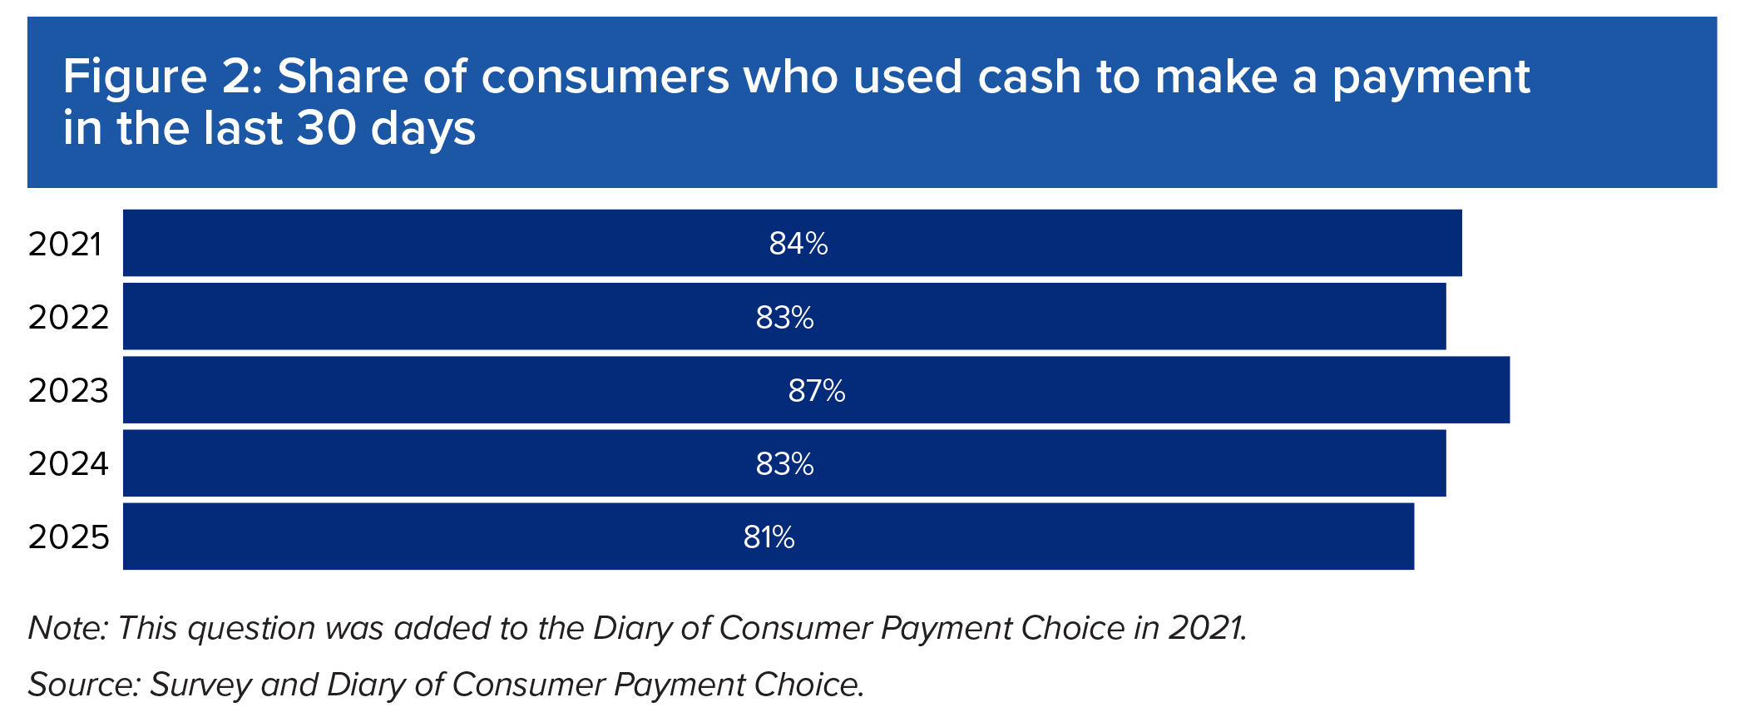
Figure 2: Share of consumers who used cash to make a payment in the last 30 days
Year | Used cash in the last 30 days
2021 | 84%
2022 | 83%
2023 | 87%
2024 | 83%
2025 | 81%

Figure 3
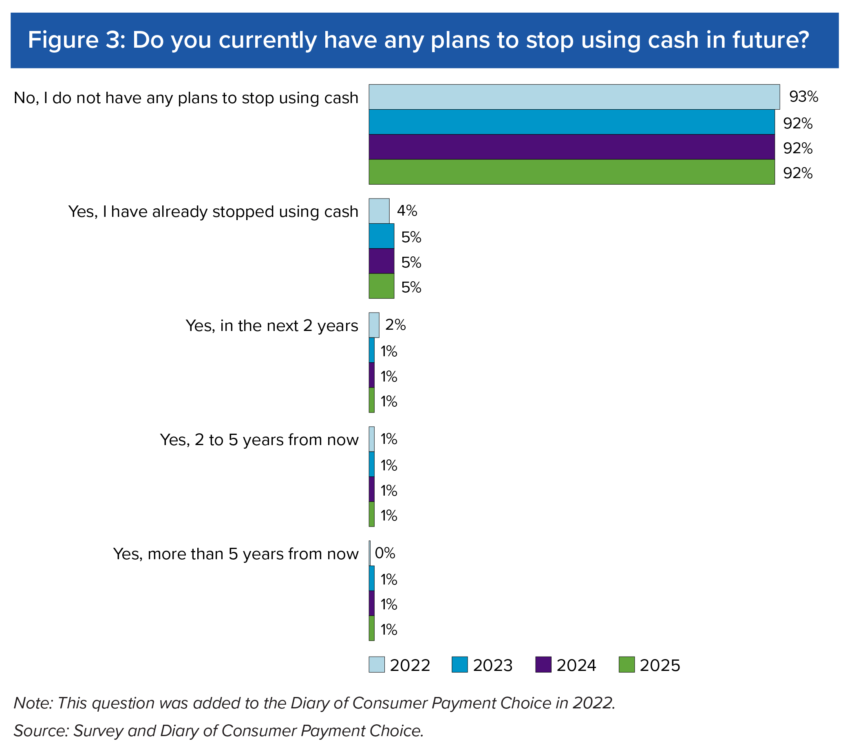
Figure 3: Do you currently have any plans to stop using cash in future?
Year | No, I do not have any plans to stop using cash | Yes, I have already stopped using cash | Yes, in the next 2 years | Yes, 2 to 5 years from now | Yes, more than 5 years from now
2022 | 93% | 4% | 2% | 1% | 0%
2023 | 92% | 5% | 1% | 1% | 1%
2024 | 92% | 5% | 1% | 1% | 1%
2025 | 92% | 5% | 1% | 1% | 1%

Figure 4
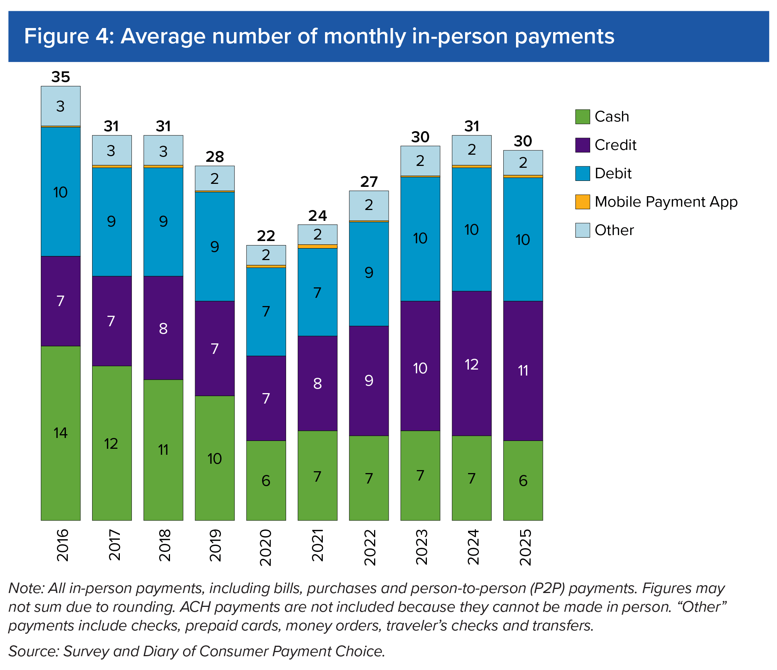
Figure 4: Average number of monthly in-person payments
Year | Cash | Credit | Debit | Mobile App | Other | Total
2016 | 14 | 7 | 10 | 0.1 | 3 | 35
2017 | 12 | 7 | 9 | 0.2 | 3 | 31
2018 | 11 | 8 | 9 | 0.2 | 3 | 31
2019 | 10 | 7 | 9 | 0.1 | 2 | 28
2020 | 6 | 7 | 7 | 0.2 | 2 | 22
2021 | 7 | 8 | 7 | 0.3 | 2 | 24
2022 | 7 | 9 | 9 | 0.1 | 2 | 27
2023 | 7 | 10 | 10 | 0.1 | 2 | 30
2024 | 7 | 12 | 10 | 0.2 | 2 | 31
2025 | 6 | 11 | 10 | 0.2 | 2 | 30 | 30

Figure 5
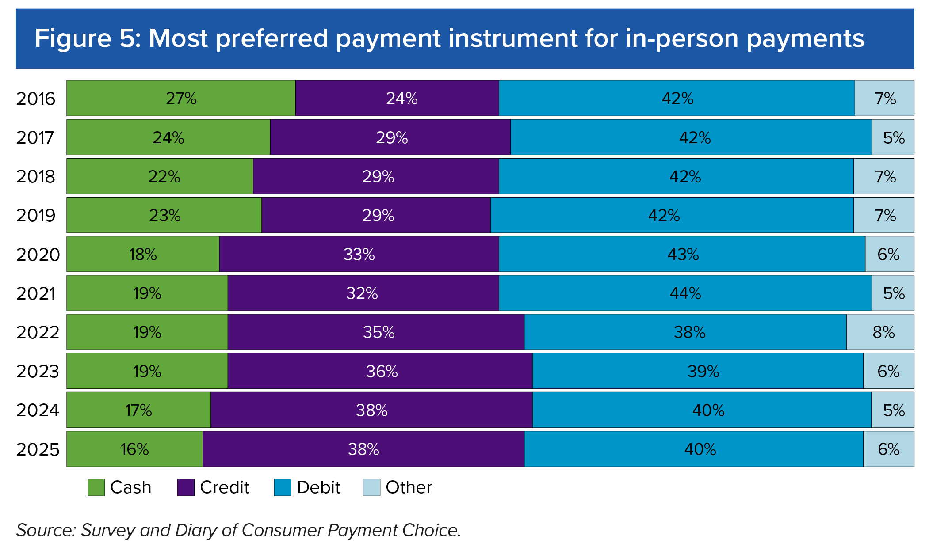
Figure 5: Most preferred payment instrument for in-person payments
Year | Cash | Credit | Debit | Other
2016 | 27% | 24% | 42% | 7%
2017 | 24% | 29% | 42% | 5%
2018 | 22% | 29% | 42% | 6%
2019 | 23% | 29% | 42% | 7%
2020 | 18% | 33% | 43% | 6%
2021 | 19% | 32% | 44% | 5%
2022 | 19% | 35% | 38% | 8%
2023 | 19% | 36% | 39% | 6%
2024 | 17% | 38% | 40% | 5%
2025 | 16% | 38% | 40% | 6%

Figure 6
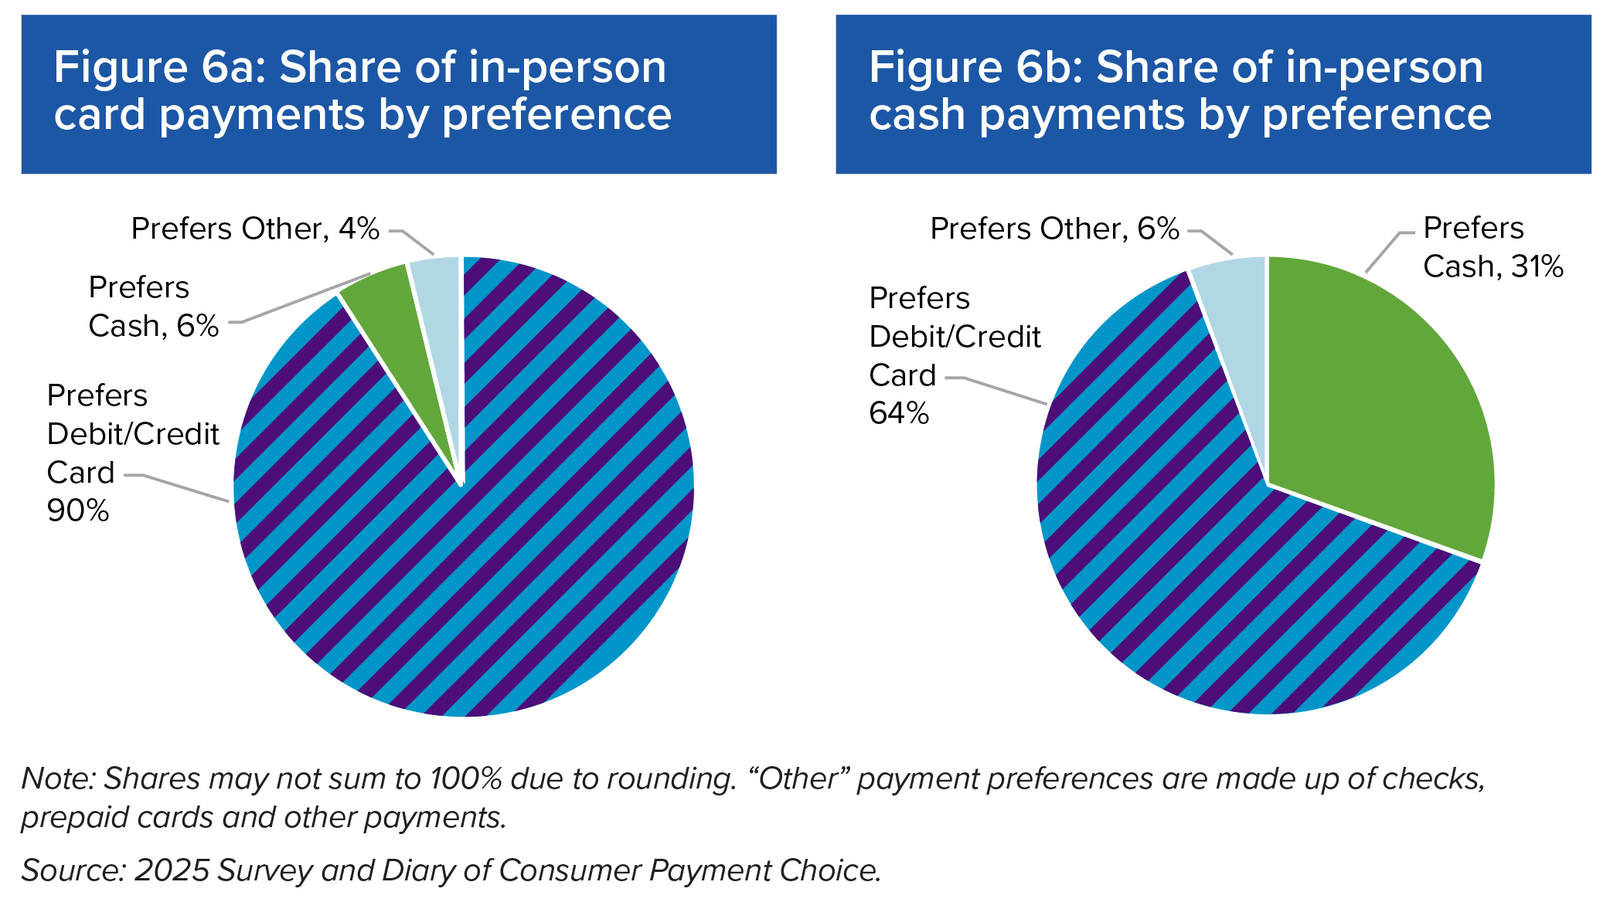
Figure 6a: Share of in-person card payments by preference
 | Card
Prefer Card | 90%
Prefers Cash | 6%
Other | 4%

Figure 6b: Share of in-person cash payments by preference
 | Cash
Prefers Cash | 31%
Prefer Card | 64%
Other | 6%

Figure 7
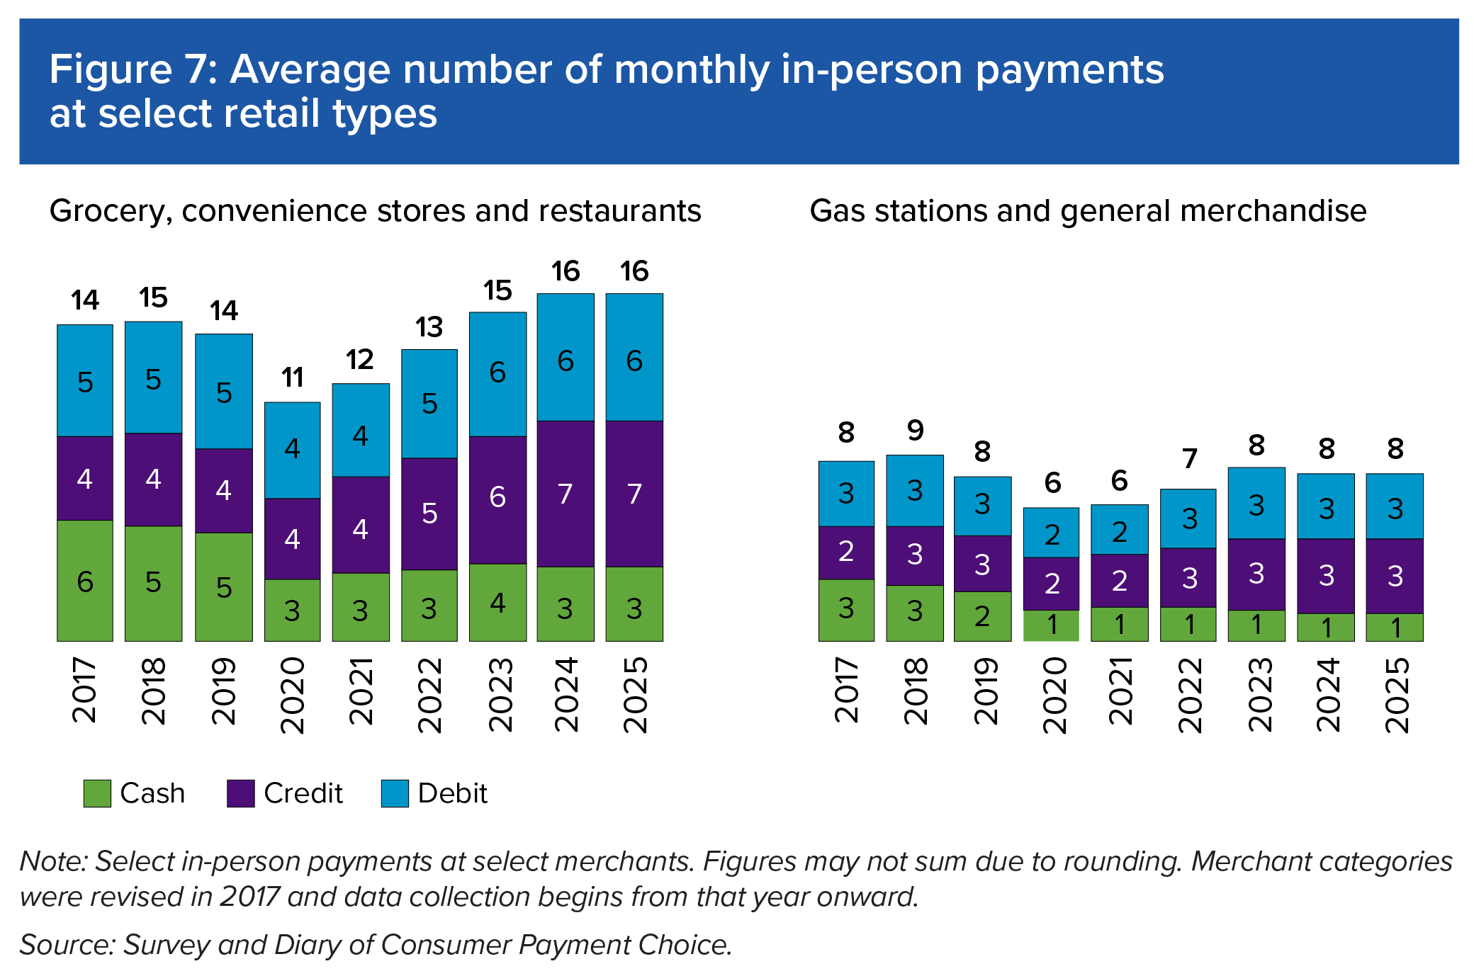
Figure 7: Average number of monthly in-person payments at select retail types
 | Year | Cash | Credit | Debit | Total
Grocery, convenience stores and restaurants | 2017 | 6 | 4 | 5 | 14
 | 2018 | 5 | 4 | 5 | 15
 | 2019 | 5 | 4 | 5 | 14
 | 2020 | 3 | 4 | 4 | 11
 | 2021 | 3 | 4 | 4 | 12
 | 2022 | 3 | 5 | 5 | 13
 | 2023 | 4 | 6 | 6 | 15
 | 2024 | 3 | 7 | 6 | 16
 | 2025 | 3 | 7 | 6 | 16

Gas stations and general merchandise | 2017 | 3 | 2 | 3 | 8
 | 2018 | 3 | 3 | 3 | 9
 | 2019 | 2 | 3 | 3 | 8
 | 2020 | 1 | 2 | 2 | 6
 | 2021 | 1 | 2 | 2 | 6
 | 2022 | 1 | 3 | 3 | 7
 | 2023 | 1 | 3 | 3 | 8
 | 2024 | 1 | 3 | 3 | 8
 | 2025 | 1 | 3 | 3 | 8

Figure 8
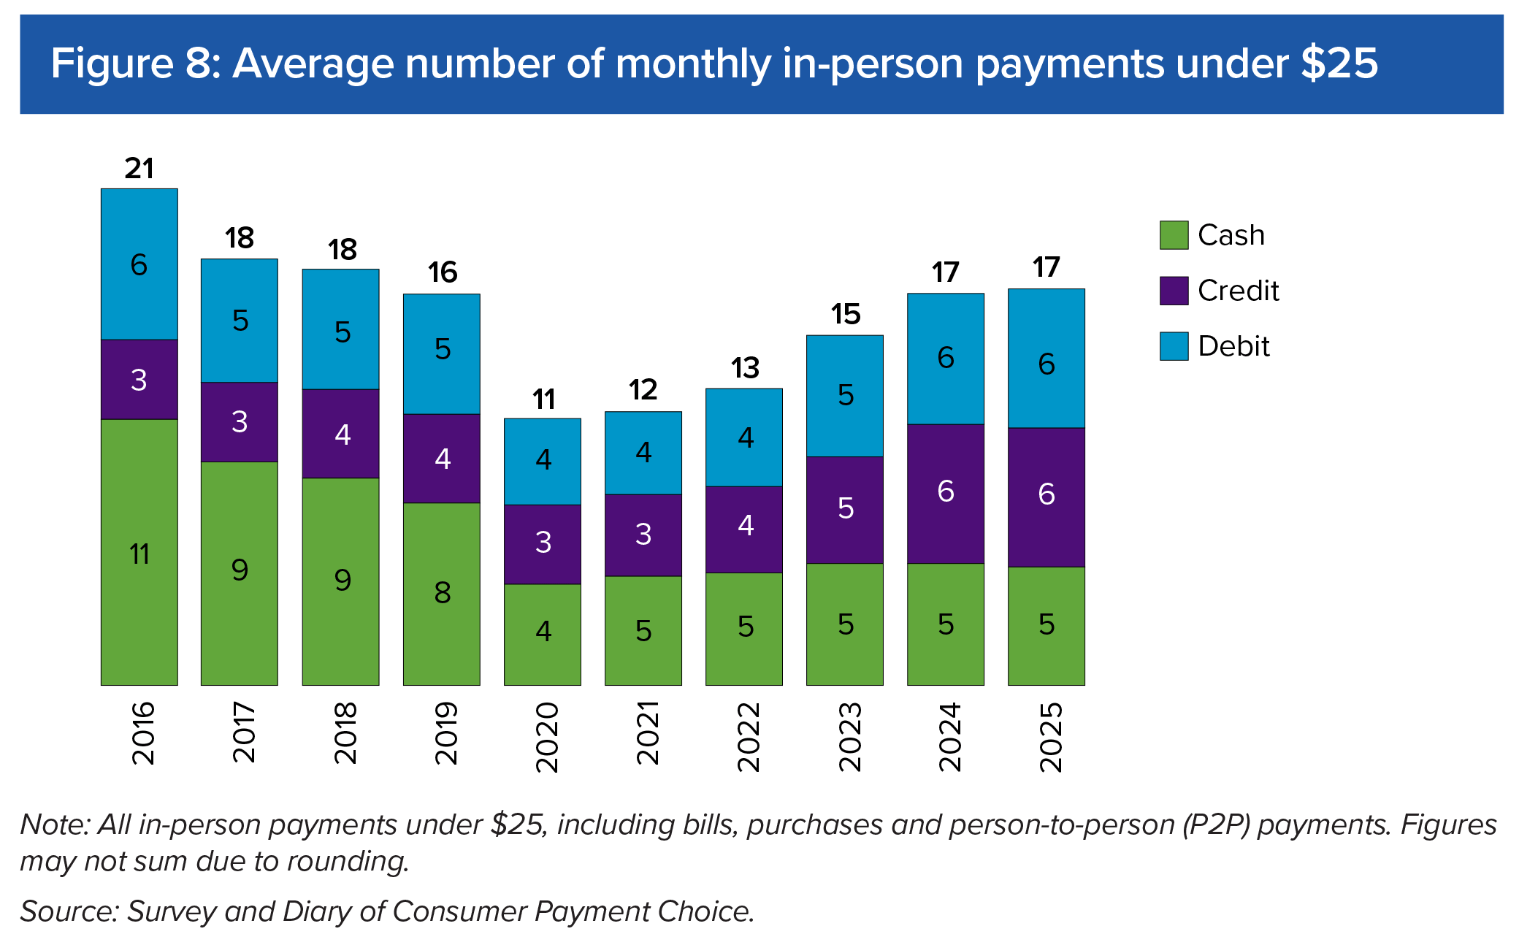
Figure 8: Average number of monthly in-person payments under $25
Year | Cash | Credit | Debit | Total
2016 | 11 | 3 | 6 | 21
2017 | 9 | 3 | 5 | 18
2018 | 9 | 4 | 5 | 18
2019 | 8 | 4 | 5 | 16
2020 | 4 | 3 | 4 | 11
2021 | 5 | 3 | 4 | 12
2022 | 5 | 4 | 4 | 13
2023 | 5 | 5 | 5 | 15
2024 | 5 | 6 | 6 | 17
2025 | 5 | 6 | 6 | 17

Figure 9
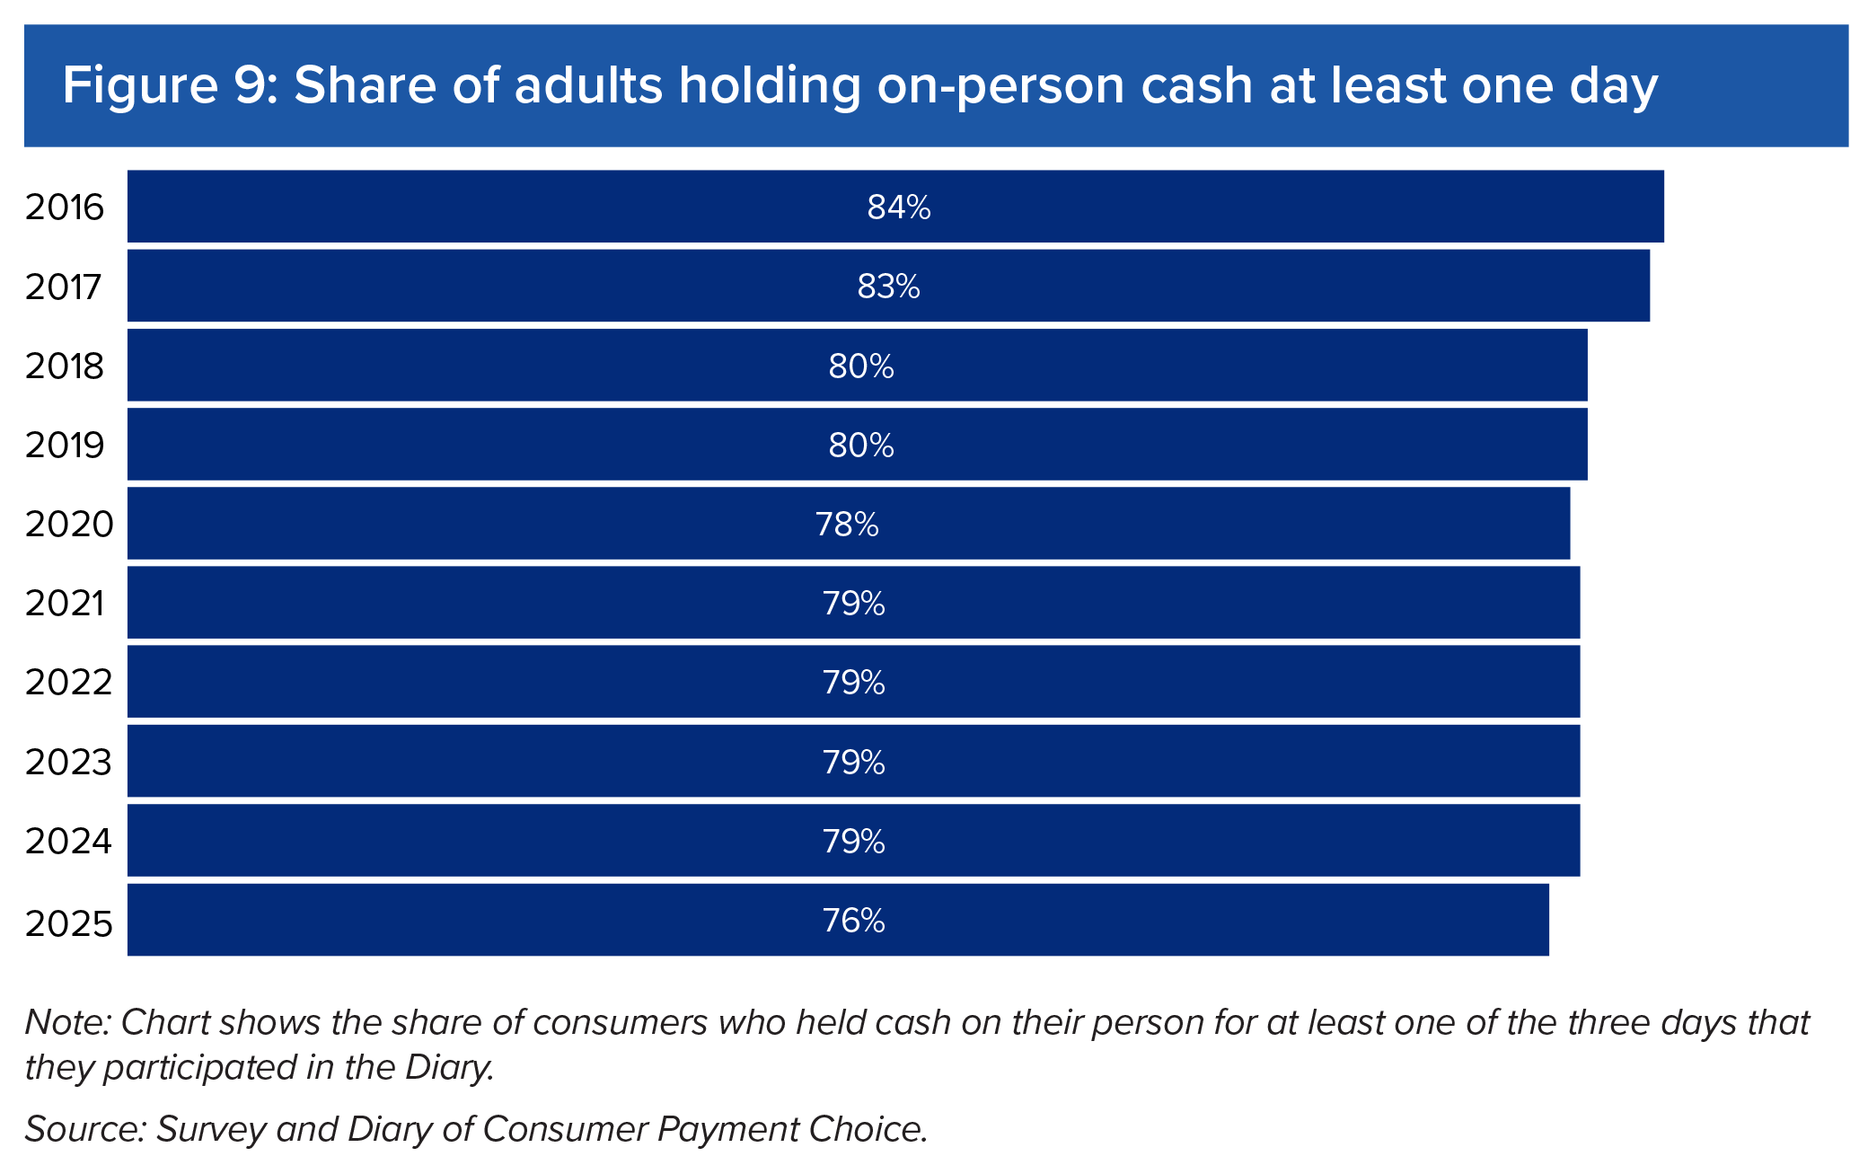
Figure 9: Share of adults holding on-person cash at least one day
Year | Share of adults holding on-person cash at least one day
2016 | 84%
2017 | 83%
2018 | 80%
2019 | 80%
2020 | 78%
2021 | 79%
2022 | 79%
2023 | 79%
2024 | 79%
2025 | 76%

Figure 10
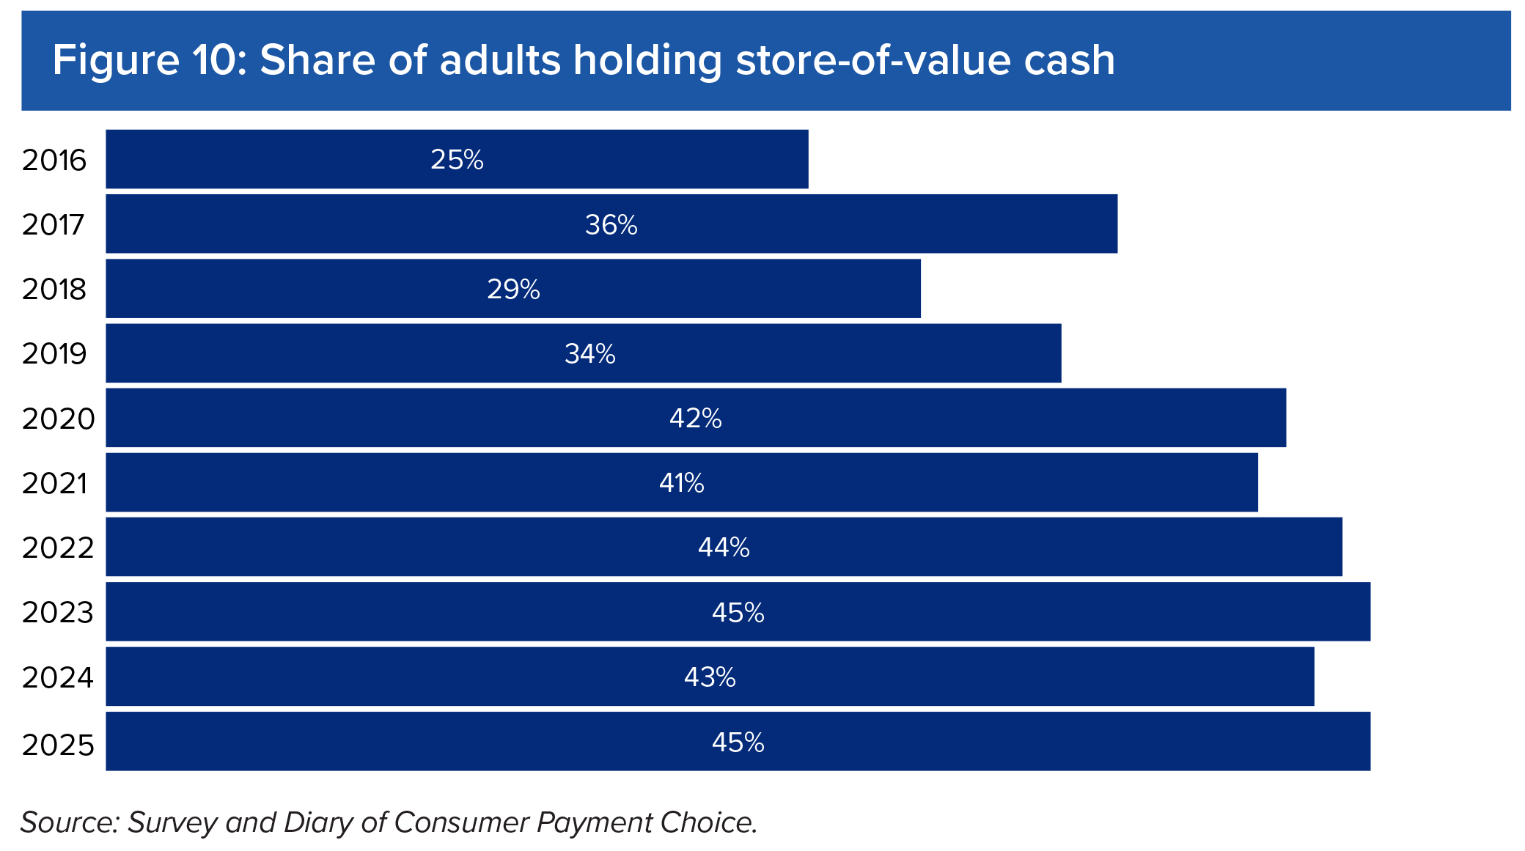
Figure 10: Share of adults holding store-of-value cash
Year | Share of adults holding store-of-value cash
2016 | 25%
2017 | 36%
2018 | 29%
2019 | 34%
2020 | 42%
2021 | 41%
2022 | 44%
2023 | 45%
2024 | 43%
2025 | 45%

Figure 11
Figure 11: Average number of monthly cash payments by age group
 | 2016 | 2017 | 2018 | 2019 | 2020 | 2021 | 2022 | 2023 | 2024 | 2025
Age 18 to 24 | 9 | 8 | 8 | 8 | 3 | 5 | 4 | 5 | 5 | 2
Age 25 to 54 | 13 | 11 | 9 | 8 | 5 | 6 | 5 | 6 | 5 | 5
Age 55 and Older | 17 | 15 | 15 | 14 | 9 | 9 | 9 | 10 | 9 | 10

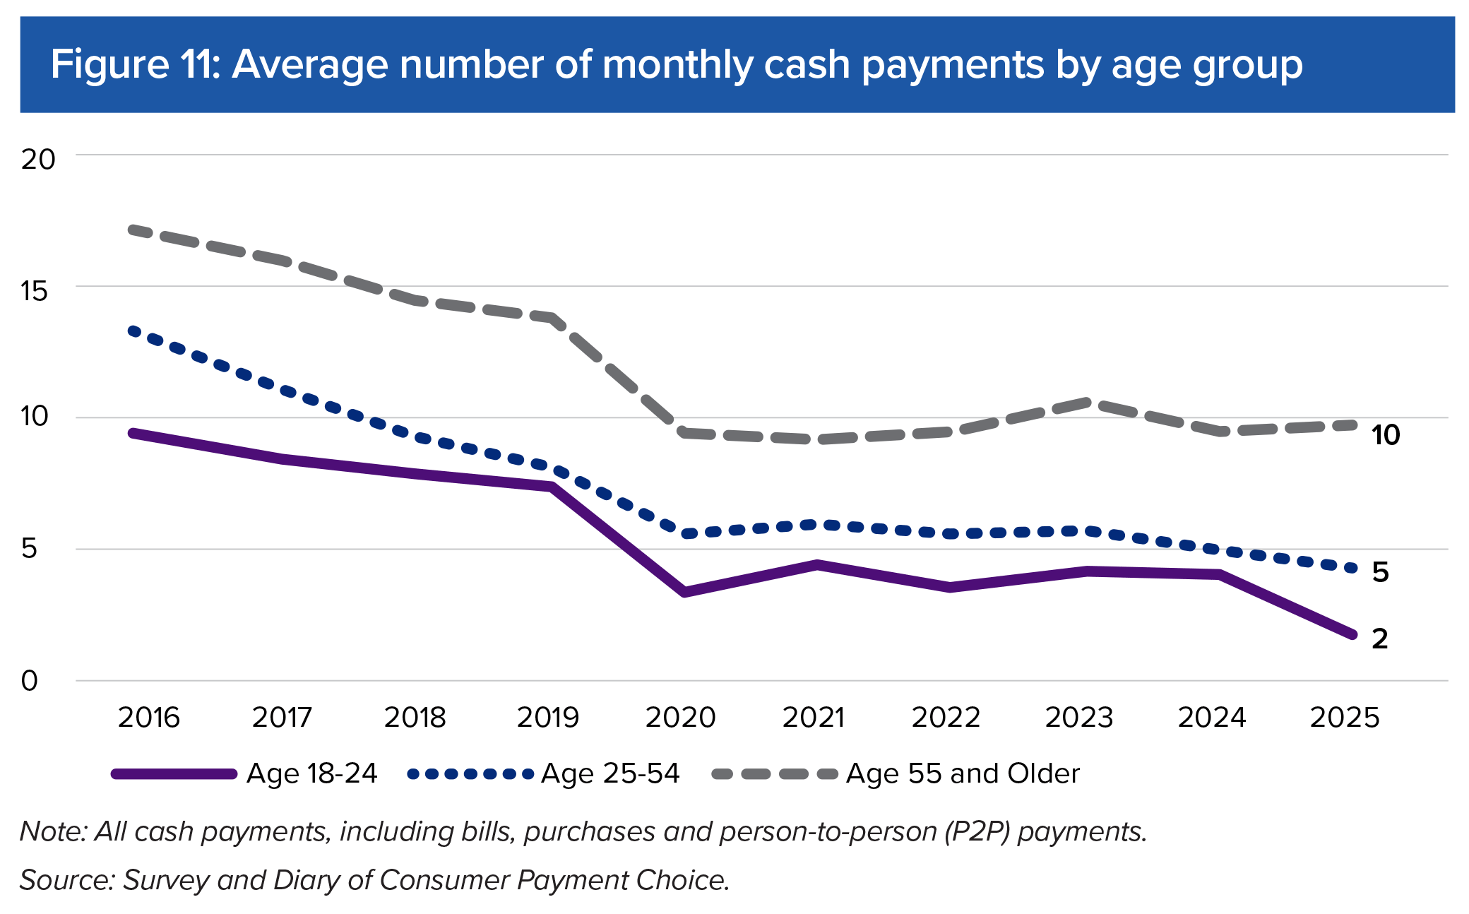
 | Year | Cash
Age 18 to 24 | 2016 | 9
 | 2017 | 8
 | 2018 | 8
 | 2019 | 8
 | 2020 | 3
 | 2021 | 5
 | 2022 | 4
 | 2023 | 5
 | 2024 | 5
 | 2025 | 2
Age 25 to 54
 | 2016 | 13
 | 2017 | 11
 | 2018 | 9
 | 2019 | 8
 | 2020 | 5
 | 2021 | 6
 | 2022 | 5
 | 2023 | 6
 | 2024 | 5
 | 2025 | 5
Age 55 and Older
 | 2016 | 17
 | 2017 | 15
 | 2018 | 15
 | 2019 | 14
 | 2020 | 9
 | 2021 | 9
 | 2022 | 9
 | 2023 | 10
 | 2024 | 9
 | 2025 | 10

Figure 12
Figure 12: Average daily holdings by age
Year | 18 to 24 | 25 to 54 | 55 and Older
2016 | $25 | $47 | $85
2017 | $22 | $45 | $84
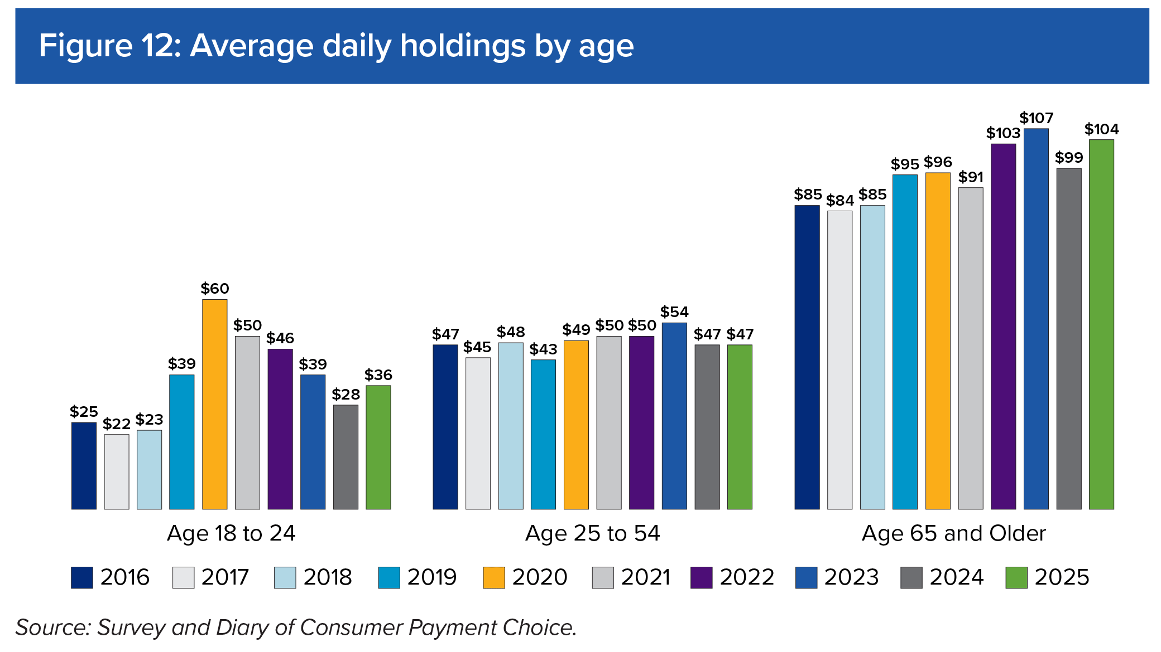
2018 | $23 | $48 | $85
2019 | $39 | $43 | $95
2020 | $60 | $49 | $96
2021 | $50 | $50 | $91
2022 | $46 | $50 | $103
2023 | $39 | $54 | $107
2024 | $28 | $47 | $99
2025 | $36 | $47 | $104

Age group | Year | Average daily holdings
18 to 24 | 2016 | $25
 | 2017 | $22
 | 2018 | $23
 | 2019 | $39
 | 2020 | $60
 | 2021 | $50
 | 2022 | $46
 | 2023 | $39
 | 2024 | $28
 | 2025 | $36
25 to 54
 | 2016 | $47
 | 2017 | $45
 | 2018 | $48
 | 2019 | $43
 | 2020 | $49
 | 2021 | $50
 | 2022 | $50
 | 2023 | $54
 | 2024 | $47
 | 2025 | $47
55 and Older
 | 2016 | $85
 | 2017 | $84
 | 2018 | $85
 | 2019 | $95
 | 2020 | $96
 | 2021 | $91
 | 2022 | $103
 | 2023 | $107
 | 2024 | $99
 | 2025 | $104

Figure 13
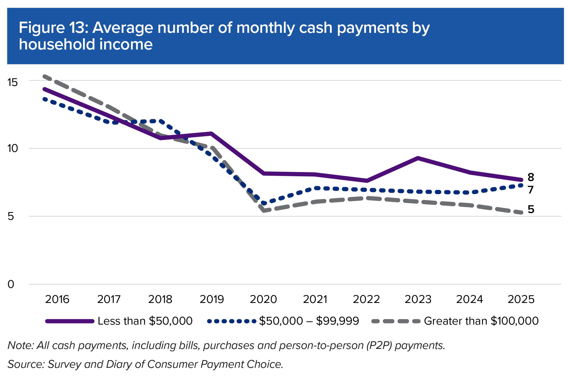
Figure 13: Average number of monthly cash payments by household income
Year | Less than $50,000 | $50,000 – $99,999 | Greater than $100,000
2016 | 14 | 13 | 15
2017 | 12 | 12 | 13
2018 | 11 | 12 | 11
2019 | 11 | 9 | 10
2020 | 8 | 6 | 5
2021 | 8 | 7 | 6
2022 | 7 | 7 | 6
2023 | 9 | 7 | 6
2024 | 8 | 7 | 6
2025 | 8 | 7 | 5

Household income | Year | Monthly cash payments
Less than $50,000 | 2016 | 14
 | 2017 | 12
 | 2018 | 11
 | 2019 | 11
 | 2020 | 8
 | 2021 | 8
 | 2022 | 7
 | 2023 | 9
 | 2024 | 8
 | 2025 | 8
$50,000 – $99,999
 | 2016 | 13
 | 2017 | 12
 | 2018 | 12
 | 2019 | 9
 | 2020 | 6
 | 2021 | 7
 | 2022 | 7
 | 2023 | 7
 | 2024 | 7
 | 2025 | 7
Greater than $100,000
 | 2016 | 15
 | 2017 | 13
 | 2018 | 11
 | 2019 | 10
 | 2020 | 5
 | 2021 | 6
 | 2022 | 6
 | 2023 | 6
 | 2024 | 6
 | 2025 | 5

Figure 14
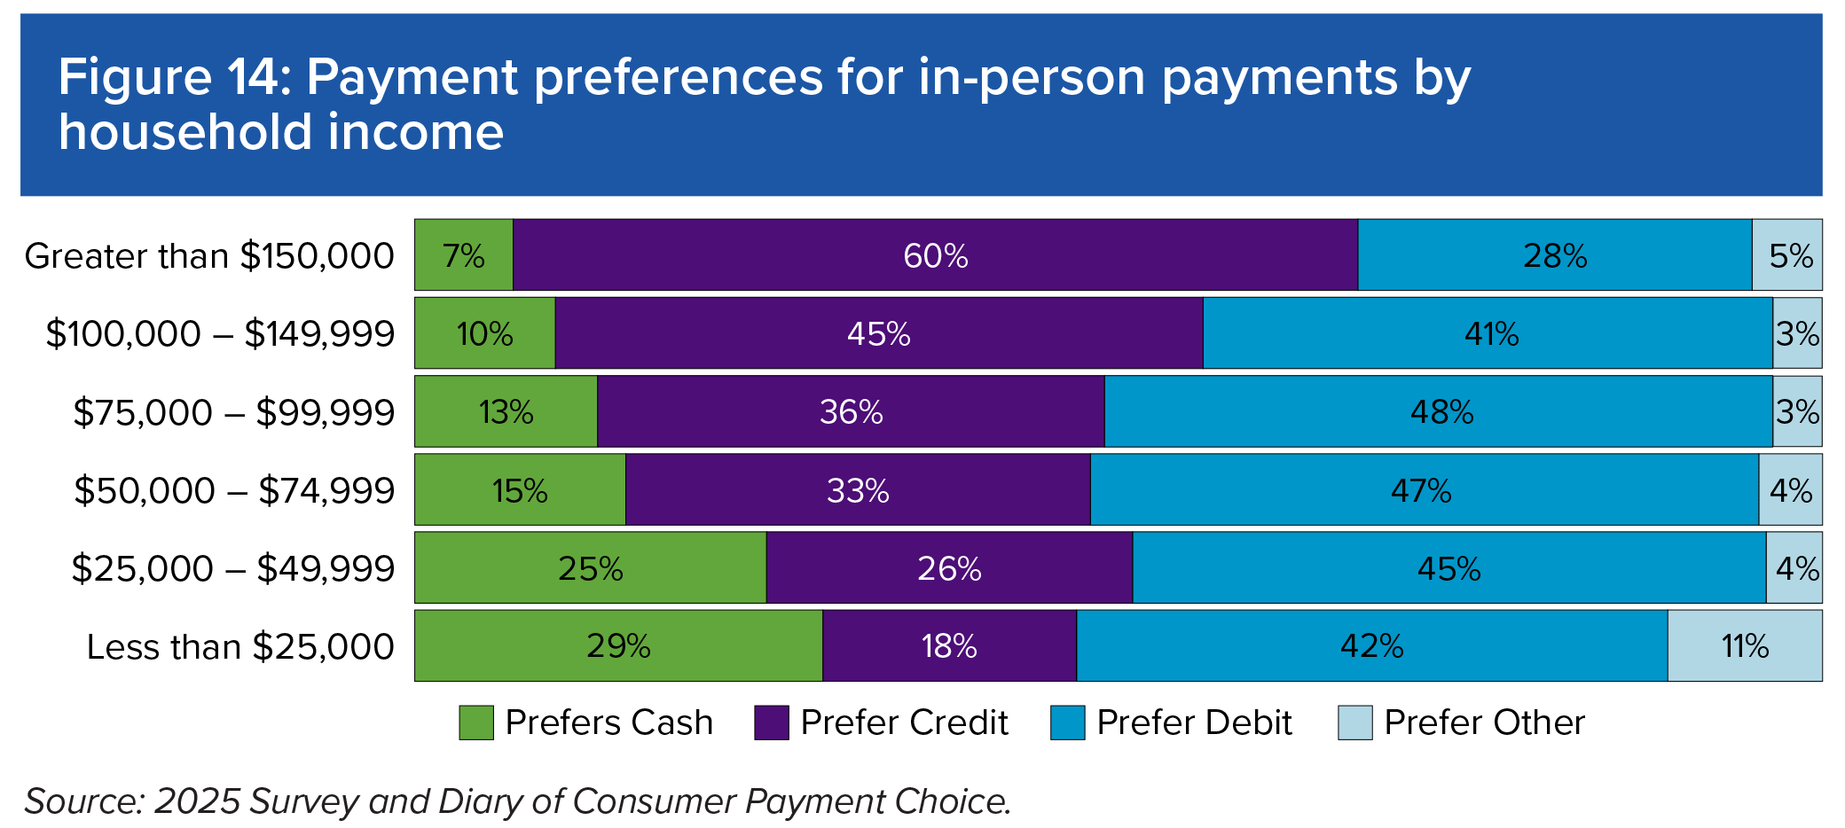
Figure 14: Payment preferences for in-person payments by household income
Household income | Prefers Cash | Prefers Credit | Prefers Debit | Prefers Other
Less than $25,000 | 29% | 18% | 42% | 11%
$25,000 – $49,999 | 25% | 26% | 45% | 4%
$50,000 – $74,999 | 15% | 33% | 47% | 4%
$75,000 – $99,999 | 13% | 36% | 48% | 3%
$100,000 – $149,999 | 10% | 45% | 41% | 3%
Greater than $150,000 | 7% | 60% | 28% | 5%

Figure 15
Figure 15: Average number of monthly cash payments by household location
Location | Year | Monthly cash payments
Rural | 2018 | 11
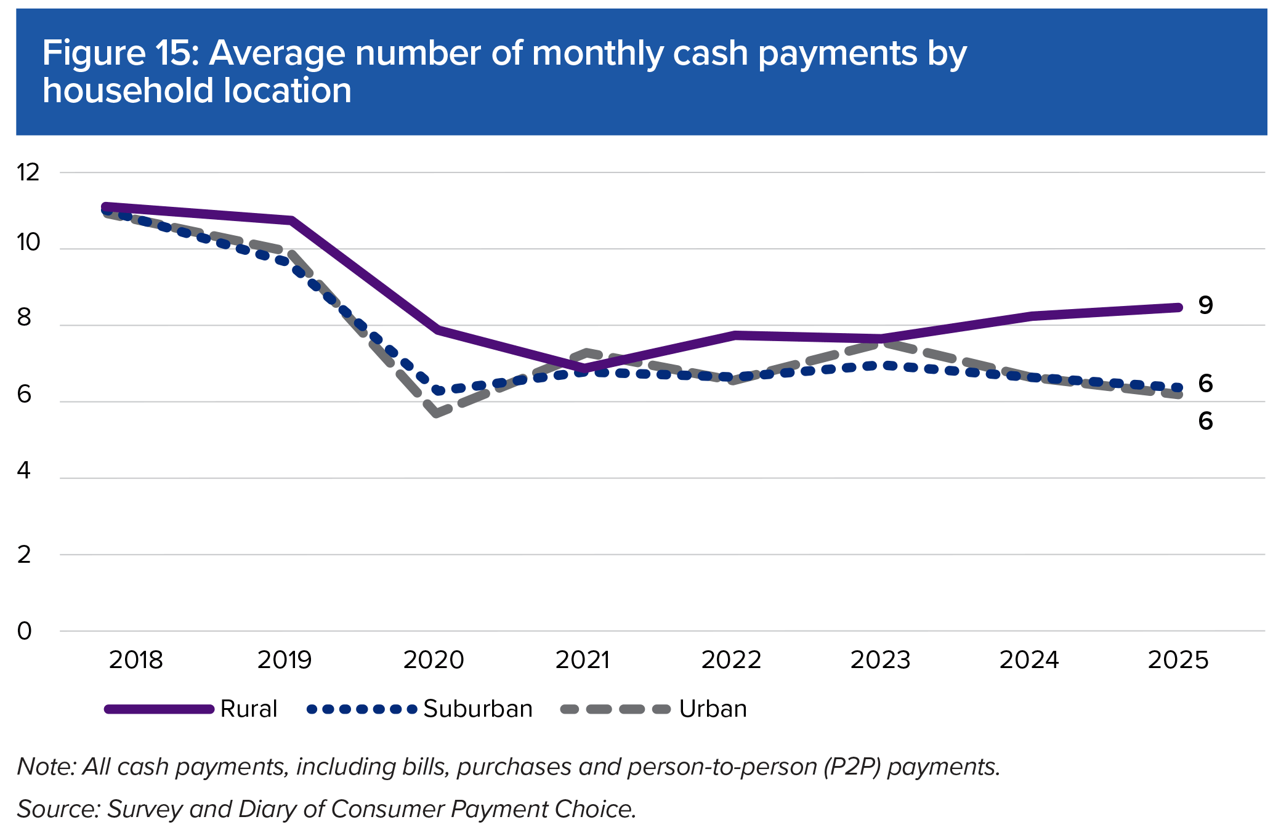
 | 2019 | 11
 | 2020 | 8
 | 2021 | 7
 | 2022 | 8
 | 2023 | 8
 | 2024 | 8
 | 2025 | 9
Suburban
 | 2018 | 11
 | 2019 | 10
 | 2020 | 6
 | 2021 | 7
 | 2022 | 7
 | 2023 | 7
 | 2024 | 7
 | 2025 | 6
Urban
 | 2018 | 11
 | 2019 | 10
 | 2020 | 6
 | 2021 | 7
 | 2022 | 7
 | 2023 | 8
 | 2024 | 7
 | 2025 | 6

Figure 16
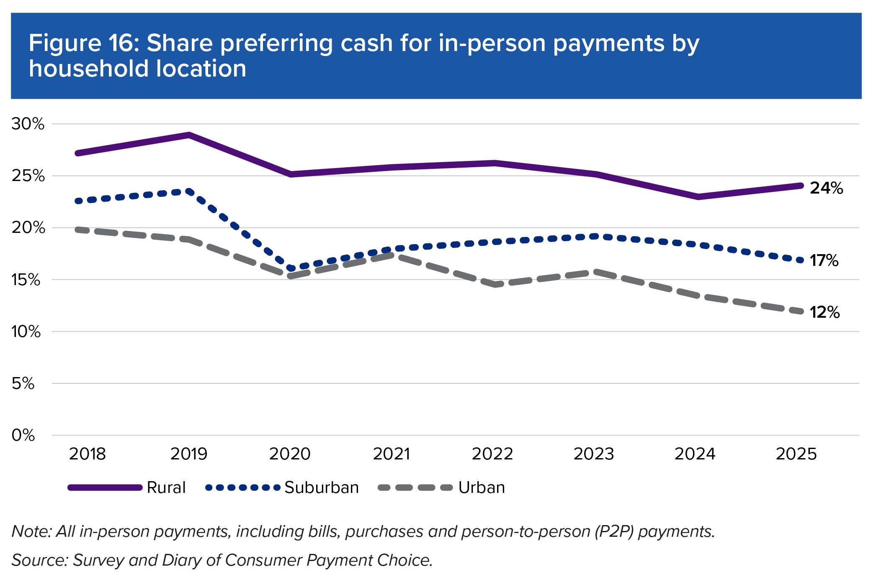
Figure 16: Share preferring cash for in-person payments by household location
Year | Rural | Suburban | Urban
2018 | 27% | 22% | 20%
2019 | 29% | 23% | 19%
2020 | 25% | 16% | 15%
2021 | 26% | 18% | 17%
2022 | 26% | 18% | 15%
2023 | 25% | 19% | 16%
2024 | 23% | 18% | 14%
2025 | 24% | 17% | 12%

